Sheet3
Directions: Take the information from the graph and turn it into a spreadsheet. Work with a partner on this.

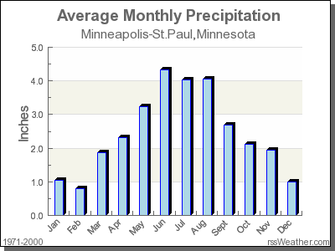
Remember to: use AutoFill and include units.
Average Monthly Precipitation
Jan | 1 in

